Case 8-1a (TV Spots)
 | Sales
TV Spots | (millions)
1 | 1
2 | 1.75
3 | 2.45
4 | 2.8
5 | 3

Case 8-1a (Magazine Ads)
 | Sales
Magazine Ads | (millions)
5 | 0.7
10 | 1.2
15 | 1.55
20 | 1.8
25 | 2

Case 8-1a (Sunday Supplements)
Ads in Sunday | Sales
Supplements | (millions)
2 | 1.2
4 | 2.2
6 | 3
8 | 3.5
10 | 3.75

Case 8-1b (TV Poly 2)
 | Sales
TV Spots | (millions)
1 | 1
2 | 1.75
3 | 2.45
4 | 2.8
5 | 3

Case 8-1b (TV Poly 3)
 | Sales
TV Spots | (millions)
1 | 1
2 | 1.75
3 | 2.45
4 | 2.8
5 | 3

Case 8-1b (TV Log)
 | Sales
TV Spots | (millions)
1 | 1
2 | 1.75
3 | 2.45
4 | 2.8
5 | 3

Case 8-1b (Magazine Poly 2)
 | Sales
Magazine Ads | (millions)
5 | 0.7
10 | 1.2
15 | 1.55
20 | 1.8
25 | 2

Case 8-1b (Magazine Poly 3)
 | Sales
Magazine Ads | (millions)
5 | 0.7
10 | 1.2
15 | 1.55
20 | 1.8
25 | 2

Case 8-1b (Magazine Log)
 | Sales
Magazine Ads | (millions)
5 | 0.7
10 | 1.2
15 | 1.55
20 | 1.8
25 | 2

Case 8-1b (Sunday Poly 2)
Ads in Sunday | Sales
Supplements | (millions)
2 | 1.2
4 | 2.2
6 | 3
8 | 3.5
10 | 3.75

Case 8-1b (Sunday Poly 3)
Ads in Sunday | Sales
Supplements | (millions)
2 | 1.2
4 | 2.2
6 | 3
8 | 3.5
10 | 3.75

Case 8-1b (Sunday Log)
Ads in Sunday | Sales
Supplements | (millions)
2 | 1.2
4 | 2.2
6 | 3
8 | 3.5
10 | 3.75

case 8-1c
In all three cases, the quadratic form is a close fit.
The order-3 polynomial is also a good fit.
The logarithmic form is not a bad fit, but not as close as the polynomial forms.
We will use the quadratic form for the remainder of the case.
Let TV = number of TV spots M = number of magazine ads SS = number of ads in sunday supplements
Based on the results in part b, using the quadratic form in each case, Sales (in millions) = –0.1036TV² + 1.1264TV – 0.04
– 0.002M² + 0.124M + 0.14
– 0.0321SS² + 0.706SS – 0.09
Cost of Ads ($million) = 0.3TV + 0.15M + 0.1SS Planning Cost ($million) = 0.09TV + 0.03M + 0.04SS
and then
Profit = ($0.75)(Sales) – Cost of Ads – Planning Cost

Case 8-1 f
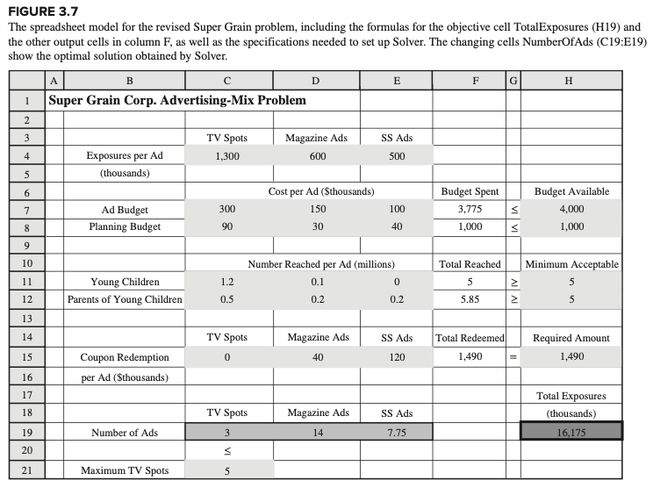
f)
In part d, 4.075 TV ads, 3.596 magazine ads, and 11.218 ads in Sunday supplements are placed.
In part e, 3.563 TV ads, 7.25 magazine ads, and 10 ads in Sunday supplements are placed.
In Figure 3.7, 3 TV ads, 14 magazine ads, and 7.75 ads in Sunday supplements are placed.
Unlike the linear programming solution, the nonlinear and separable programs take into account the diminishing returns from repeated advertisements.
Since the solution is fairly different, it certainly appears that it was worthwhile to refine the linear programming model used in Figure 3.7.

